Sheet 1 - Instructions
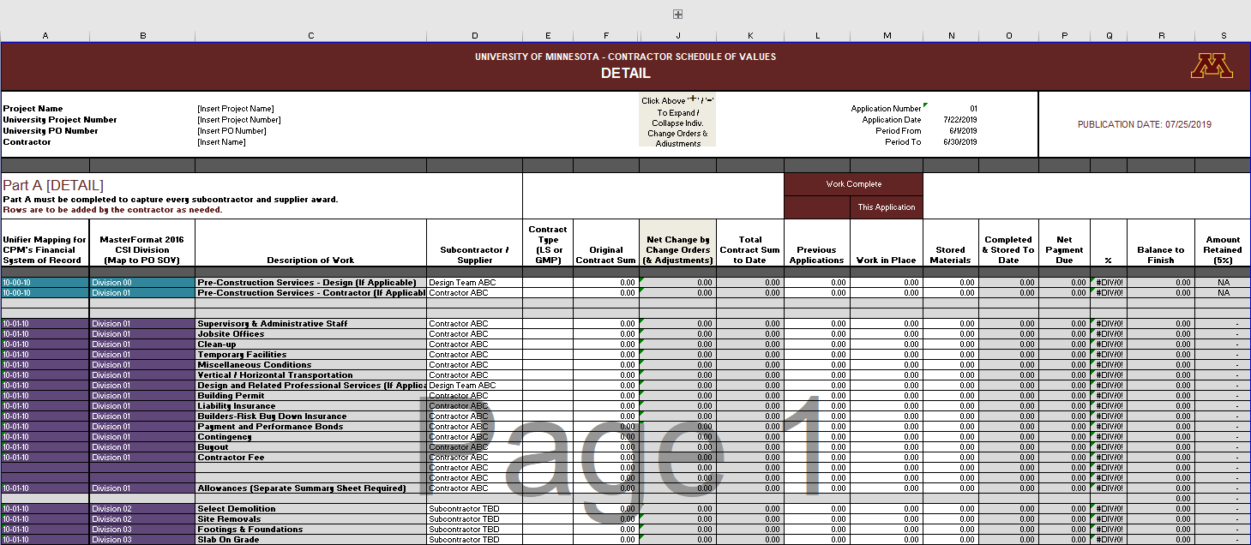
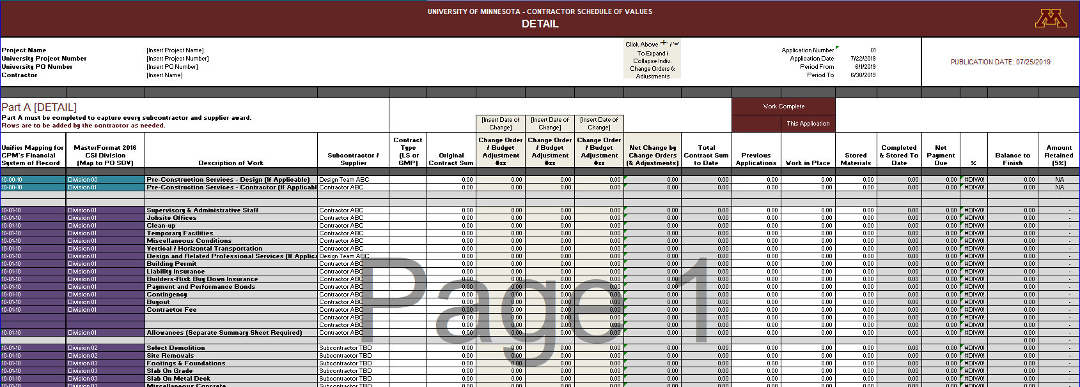
UNIVERSITY OF MINNESOTA - CONTRACTOR SCHEDULE OF VALUES AND CHANGE ORDERS BILLING REQUIREMENTS INSTRUCTIONS
THESE INSTRUCTIONS APPLY TO: - Pay Applications Schedule of Values (SOV) - - Change Orders / Budget Transfers - - University WBS Coding -

1) This workbook is provided to instruct the contractor on the billing requirements for Capital Projects at the University of Minnesota, to provide an electronic format for payment applications and to record changes to the contract value. This workbook contains two sheets: Sheet 1 - Instructions; and, Sheet 2 - DETAIL+SUMMARY.
2) Sheet 1 - Instructions: This is a guide to the CSI MasterFormat minimum requirements for project cost breakdown into the University's financial system. The 14 WBS Codes listed below are either a stand alone division or a roll up summary of multiple divisions. The table below defines the WBS Codes to be used as well as the CSI descriptions for each required WBS Code.
3) Sheet 2 - DETAIL+SUMMARY: This electronic worksheet is provided for the contractor's payment applications (Part A) as well as the WBS Mapping requirements for the University's financial system (Part B). Part A DETAIL is the contractor's Schedule of Value payment application continuation sheet. The contractor portions of the billings are to be followed exactly as listed (Divison 1) contractor services and general conditions. The other CSI Divsions (Division 2 - 33) are to be edited by inserting rows to identify all subcontractors and material suppliers working on the project. Information is to be input into white (non-colored) cells only. Part B SUMMARY is the WBS Mapping from the Schedule of Values to the required WBS Codes for the University financial system.
4) Sheet 2 - DETAIL+SUMMARY Schedule of Values (Part A) column 'F' - 'Original Contract Sum' is the original Scheduled Value of the vendor - This column ties directly to the Original Contract Sum on AIA G702. Column 'J'- 'Net Change by Change Orders & Adjustments' is to identify and record adjustments/changes for the Project (a running total) - This ties directly to the Net Change by Change Orders on AIA G702. Column 'K' - 'Total Contract Sum to Date' is the total of column Original Contract Sum (F) + Net Change By Change Orders (J) and ties directly to the Contract Sum To Date on AIA G702.
5) CONTRACTOR REQUIRED BACK UP: Contractors are required to submit back up to sufficiently document the request for payment. Documentation includes, but is not limited to: Receipts/invoices for internal billings; Internal Job cost reports; Personnel charges; Subcontractor and Supplier invoices with appropriate back up documentation.
6) CONTRACTOR CHANGE ORDERS & BUDGET ADJUSTMENTS: Sheet 2 - DETAIL+SUMMARY Schedule of Values (Part A) columns 'G-I' are placeholders for Change Orders and Zero Dollar Budget Adjustments - These columns sum directly to column 'J'- 'Net Change by Change Orders & Adjustments' (a running total). The Contractor must record the details of each Change Order / Adjustment by entering the scheduled value of the affected subcontrator(s) / vendor(s) for the current corresponding change. This breakdown is required to be submitted with every AIA Change Order and Zero Dollar Budget Adjustment. Budget Adjustments may be accommodated within a Change Order if desired. The Change Order / Adjustment columns are set up to be expanded or collapsed as needed by clicking the [+] or [-] at the top of Sheet 2-DETAIL+SUMMARY, where identified. It is recommended the individual Change Orders / Adjustments columns are collapsed when submitting Payment Applications.
7) Sheet 3 - Capital Equipment: This electronic worksheet is a required submission for all Payment Applications associated with Divisions 11 & 12 - Equipment & Furnishings Purchased by Contractor. Additional information may be required for other divisions such as Division 10-Specialites, Division 27-Communications, & Division 28-Electronic Safety & Security. Any changes to capital equipment via an AIA Change Order must also be represented by providing a description of the piece of equipment the change order relates to, including serial number and room location, in order to associate the cost to the correct piece of equipment. Confirm project requirements with CPM Project Manager.
8) ADDITIONAL REQUIREMENTS: The CPM Project Manager may require additional payment and project information. Confirm project additional requirements with CPM Project Manager.

TRIRIGA Mapping for CPM's Financial System of Record | WBS Code Name | Division | Description
10-00-00 | Pre-Construction Services (If applicable) | Division 00 | Pre-Construction ONLY for CMaR and Design-Build Contracts
10-01-00 | General Requirements - All Other Costs | Divisions 01 - 10 & Division 13 | General Requirements including General Construction, Contractor Fees, Demolition, Etc. (All other WBS Codes not included in the categories below)
10-02-00 | Remediation (HazMat Only) | Division 02 | Site Remediation Performed by Contractor - HAZARDOUS Material Work Only
10-11-00 | Supplied Equipment and Furnishings | Divisions 11 - 12 | Additional information may be required. Confirm with CPM Project Manager.
10-14-00 | Conveying Systems | Division 14
10-21-00 | Fire Suppression | Division 21
10-22-00 | Plumbing | Division 22
10-23-00 | HVAC | Division 23
10-25-00 | Integrated Automation | Division 25
10-26-00 | Electrical | Division 26
10-27-00 | Network Communications | Division 27
10-28-00 | Electronic Safety & Security Systems | Division 28
10-31-00 | Site Earthwork (Earthwork, Paving, Landscaping, Etc.) | Divisions 31 - 32 | Includes Earthwork, Asphalt Paving, Concrete Paving, Landscaping, Site Improvements, etc.
10-33-00 | Site and Infrastructure - Utilities | Division 33

SEE BELOW FOR CHANGE ORDER EXPAND / COLLAPSE FUNCTION

